1. Title Page
[Project Name]

Project Name: Instacart Basekt Analysis
Date: 16.02.2023
Analyst Name: Adrià Moreno Gil

Contents:
Population Flow
Consistency checks
Wrangling steps
Column derivations
Visualizations
Recommendations

Data Sources

" The instacart Online Grocery Shopping Dataset 2017". Available on:
https://www.instacart.com/datasets/grocery-shopping-2017

Career Foundry Gmbh.
The customer data and the prices column in the dataset were both fabricated for educational purposes
Accessed from:
https://careerfoundry.com/en/course/data-immersion/exercise/coding-etiquette-reporting

2. Population Flow
Title page

Population flow

Exclusion flag
Condition: max_order < 5
Obervations to be removed: 1.440.295
Final total count of order_products_all: 30.964.564

Orders_products_combined
Orders_products_merged
Orders_products_all

Total: 32.404.859
Total: 30.964.564
Total: 32.434.489

1.) The grey boxes in the first row of the population flow represent the original data sets as they were when you downloaded them. In the Total fields you need to add the count of the rows when you imported the data set into Jupyter.
2.) The second row of boxes (coloured) represents the data sets after you manipulated them, e.g., removed missing values and duplicates. In the Total fields you need to add the count of the rows after conducting these operations. This offers a visual oveview of how the data flows throughout the data consistency checks.
3.) The third row, where also the arrows are coloured, represents the merges you performed between the datasets. In the Total fields you need to add the count of the rows in the merged datasets, so that you end up with the final dataset (in the red box). Keep in mind the final dataset should be without exclusions (based on the exclusion flag).

3. Consistency checks
 |  |  |  | Title page
Consistency checks

Dataset | Missing values | Missing values treatment | Duplicates
orders | 206.209 missing values in "days_since_prior_order" column | A new column "new customer" was created to indicate that the missing values corresponded to a first order of a customer | None
products | 16 missing values in "produc_name" column | Removed from the dataframe | 5 duplicates removed
orders_products_prior | None | None | None
customers | None | None | None

4. Wrangling steps
 |  |  |  | Title page
Wrangling steps

Columns dropped | Columns renamed | Columns' type changed | Comment/Reason
"eval_set" |  |  | Unuseful system information
 | "order dow" to "orders_day_of_week"
 |  | "order_id" | From Float to integer. Unique id, qualitative variable
 |  | "user_id" | From Float to integer. Unique id, qualitative variable
 | "Gender" to "gender" |  | Coding etiquette - naming conventions
 | "STATE" to "state" |  | Coding etiquette - naming conventions
 | "AGE" to "age" |  | Coding etiquette - naming conventions

5. Column derivations
 |  |  |  | Title page

Column derivations and aggregations

In this tab you should add tables below that the frequences of flags/label variables that you produced after deriving them. NB: don't do this for continuous variables, only for flags.
Dataset | New column | Column/s it was derived from | Conditions
orders_products_merged.pkl | price_range | prices | If the product price > 15$: high-range product; If the product prices was > 5 and <= 15: mid-range product; if the product was <= 5: low-range product
orders_products_merged.pkl | busiest_day | orders_day_of_week | If day is 0 flag: "busiest day"; if it’s the 4 day, flag: "least busiest". Anything else, flag: "regularly busy"
orders_products_merged.pkl | busiest_days | orders_day_of_week | If day is 0 or 1, flag: "busiest day". If day is 3 or 4, flag: "slowest day". Anything else flag: regularly busy
orders_products_merged.pkl | busiest_period_of_day | order_hour_of_day | If hour is on the 1st quantile then flag: "Fewest orders", if hour is between quantile 1 and 3, flag: "average orders", if hour is on the 3rd quantile flag: 'Most orders'.
orders_products_merged_update.pkl | loyalty_flag | Grouped by user_id and aggregated max values from order_number | If user has over 40 orders, flag: "Loyal customer". If user has more than 10 orders and less than or equal to 40 customers flag: "regular customer". If user has less than or equal to 10 orders flag: "new customer".
orders_products_merged_update.pkl | spending_flag | Grouped by user_id and aggregrated average values of prices | If user has spent less than $10 , flag: "low spender". If user has spent $10 or more, flag: "high spender".
orders_products_merged_update.pkl | order_frequency_flag | Grouped by user_id and aggregrated by the media of days_since_prior_order | If median values is more than 20, flag: "Non-frequent customer". If median values between 10 and 20, flag: "Regular customer". Finally, if values are less or equal to 10, flag: "Frequent customer".
orders_products_all.pkl | region | state | States were aggrupated into regions after the following online resource: (https://simple.wikipedia.org/wiki/List_of_regions_of_the_United_States)
orders_products_all.pkl | exclusion flag | max_order | If max_order less than 5, flag: "low-activity". Anything else: "high-activity"
df_high_activity_customers.pkl | profile | Based on columns: age, income, department_id, number_dependants, family_status, and order_hour_of_day | If the customer purchased products from department 11 (meat and seafood), flag: "meat-eater" If a customer at least than 1 dependant and an income over 128102$, flag: "high-income family" If a customer had at least 1 dependant an an income between 67292$ and 128102$, flag: "average income family" If a customer had at least 1 dependant and an income less than 67292$, flag: "low-income family" If a customer had a family status of single, 0 dependants and an income over 128102$, flag: "rich single" If a customer had at least 1 dependant and bought products from department 18 (babies), flag: "with babies" If a customer was above 65 years and had income over 128102$, flag: "rich retired" If a customer was above 65 years and had income between 67292$ and 128102$, flag: "average retired" If

6. Visualizations
Title page

Visualisations

In this tab you should include all the visualtions from Exercises 4.9 and 4.10, alongside the questions from the project brief that they answer. Include any commentary on the relationship between different variables.

KEY QUESTIONS

1. Which are the busiest days of the week and hours of the day (i.e., the days and times with the most orders) ?

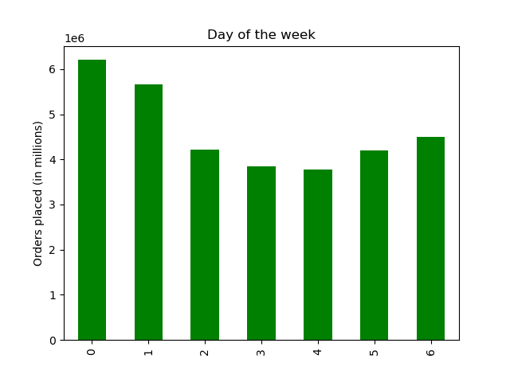
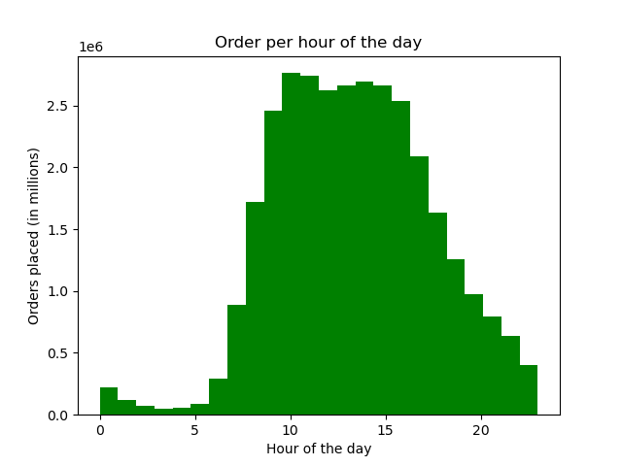

The weekend days accumulate the most orders. Most of the orders are placed during the central hours of the day, aproximately from 10 to 16h.

2. Are there particular times of the day when people spend the most money? This might inform the type of products Instacart advertises at these times

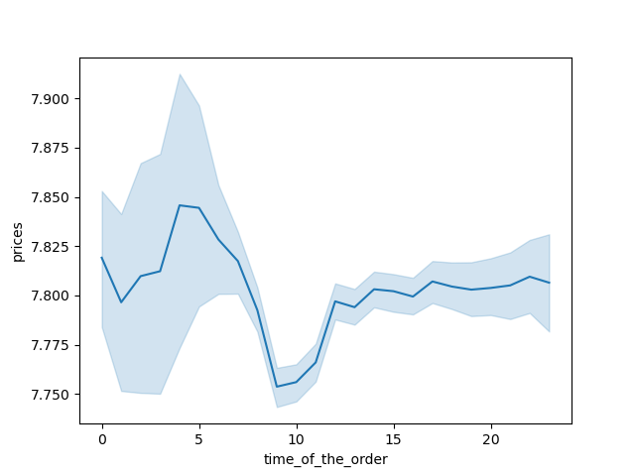

People spend very similar amounts of money throughout the day. During the night slightly more expensive products are bought, whereas in the morning cheaper products are purchased.

3. Instacart has a lot of products with different price tags. Marketing and sales want to use simpler price range groupings to help direct their efforts.

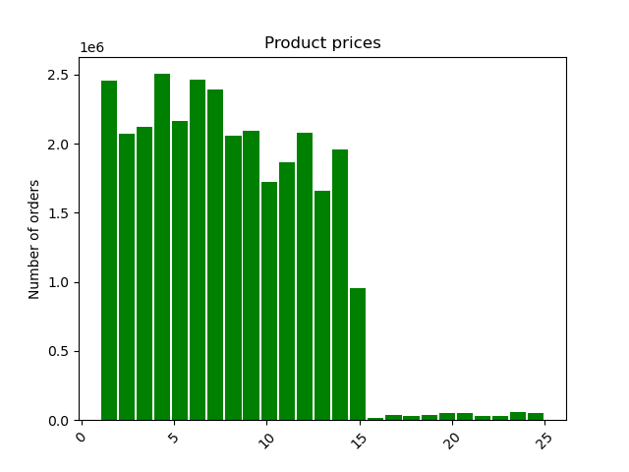

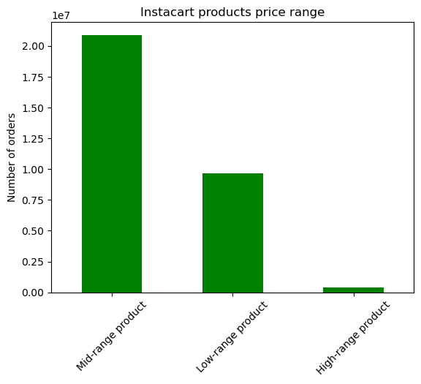

Most of the products in the Instacart basket have mid and low range prices. More concretely, most prodcuts are valued between 1$ and 14$, with some exceptional products reaching 25$

4. Are there certain types of products that are more popular than others? The marketing and sales teams want to know which departments have the highest frequency of product orders

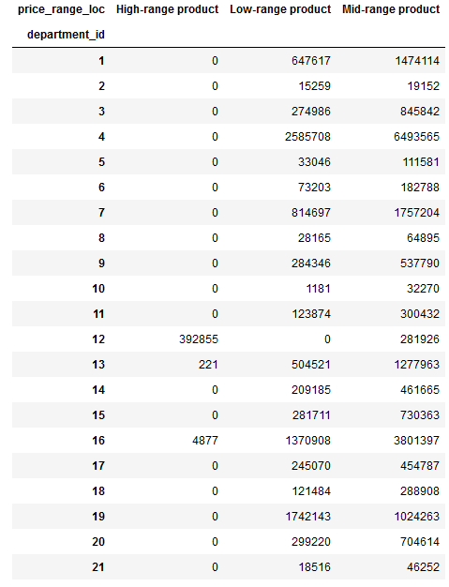
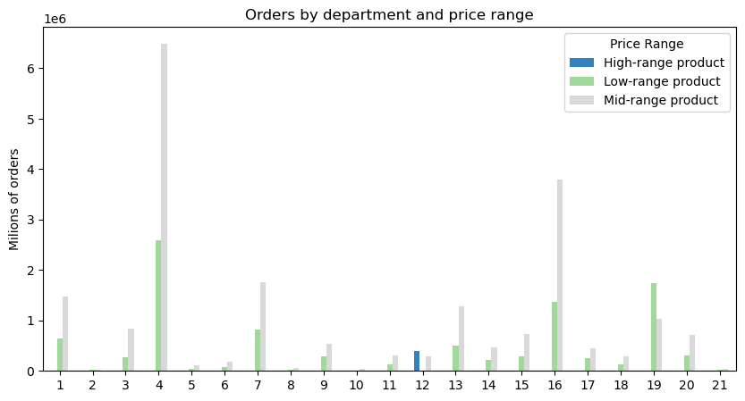

 |  |  | Department_Id | Department
 |  |  | 1 | Frozen
 |  |  | 2 | Other
 |  |  | 3 | Bakery
 |  |  | 4 | Produce
 |  |  | 5 | Alcohol
 |  |  | 6 | International
 |  |  | 7 | Beverages
 |  |  | 8 | pets
 |  |  | 9 | Dry goods, pasta
 |  |  | 10 | Bulk
 |  |  | 11 | Personal care
 |  |  | 12 | Meat - Seafood
 |  |  | 13 | Pantry
 |  |  | 14 | Breakfast
 |  |  | 15 | Canned goods
 |  |  | 16 | Dairy Eggs
 |  |  | 17 | Household
 |  |  | 18 | Babies
 |  |  | 19 | Snacks
 |  |  | 20 | Deli
 |  |  | 21 | Missing

The most popular products of instacart are those belong to categories Produce, Dairy and Eggs, Snacks and Beverages.The Meat and seafood category has the most expensive products, with all of them being either mid or high range price.

5. What's the distribution among users in regards to their brand loyalty (i.e., how often do they return to instacart) ?

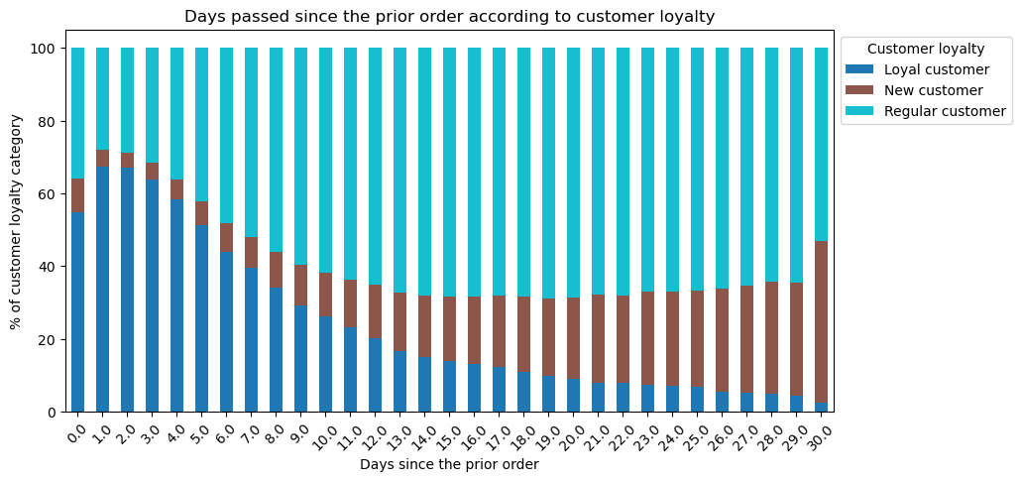
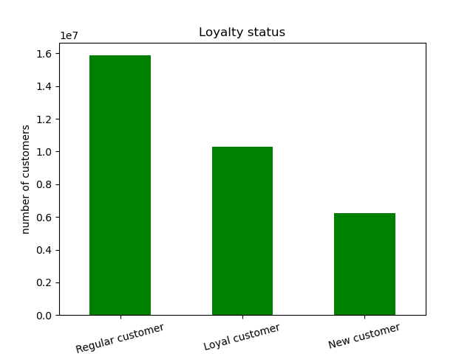

Most customers are regular customers, followed by loyal and new customers. Loyal customers most commonly do another within three thays of the previous days, whereas regular customers normally tanke around 15 days, with new customers behaving similarly.

6. Are there differences in ordering habits based on a customer's loyalty status?

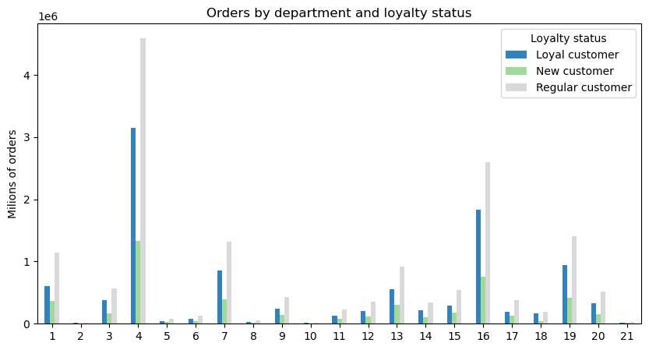

 | Department_Id | Department
 | 1 | Frozen
 | 2 | Other
 | 3 | Bakery
 | 4 | Produce
 | 5 | Alcohol
 | 6 | International
 | 7 | Beverages
 | 8 | pets
 | 9 | Dry goods, pasta
 | 10 | Bulk
 | 11 | Personal care
 | 12 | Meat - Seafood
 | 13 | Pantry
 | 14 | Breakfast
 | 15 | Canned goods
 | 16 | Dairy Eggs
 | 17 | Household
 | 18 | Babies
 | 19 | Snacks
 | 20 | Deli
 | 21 | Missing

There does not seem to be a difference in the purchasing habits across the three types of clients according to their loyalty. In order words, all types of clients buy similar baskets.

7. Are there differences in ordering habits based on a customer's region?




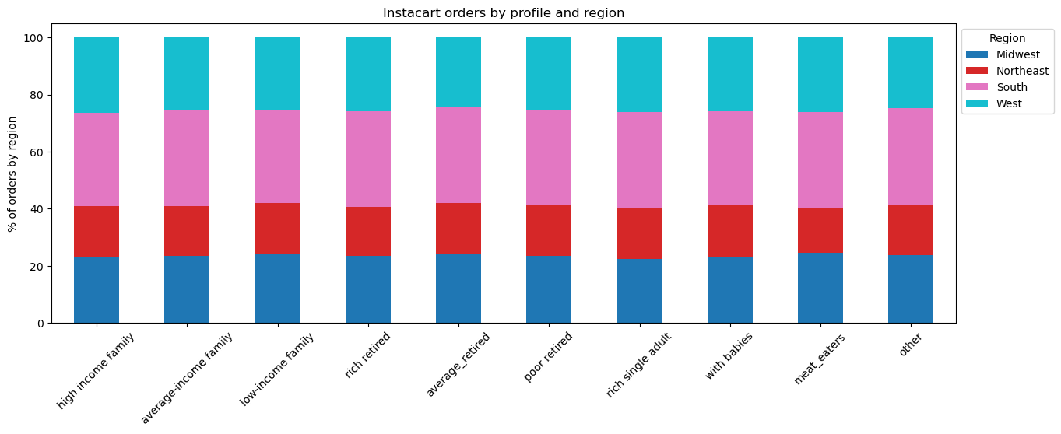

The distribution of the three loyalty groups is similar across the four studied US regions. The Southern region stands out as the area with the highest number of customers. Furthermore, the proportion of high spending customers is higher also in that region. This indicates that the biggest customer base of Instacart is found on the southern states of the U.S, however, the proportion of loyal clients stays stable across the different regions, only the absolute number varies.

8. What different classifications does the demographic information suggest? Age? Income? Certain types of goods? Family status?

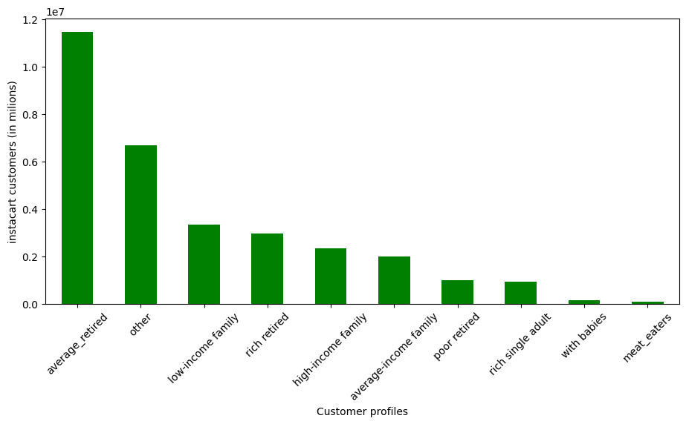

It seems that most instacart customers are retired people, mostly with average or high incomes, families are also an important part of the instacart customer base.

9. What differences can you find in ordering habits of different customer profiles? Consider the price of orders, the frequency of orders, the products customers are ordering and anything else you can think of

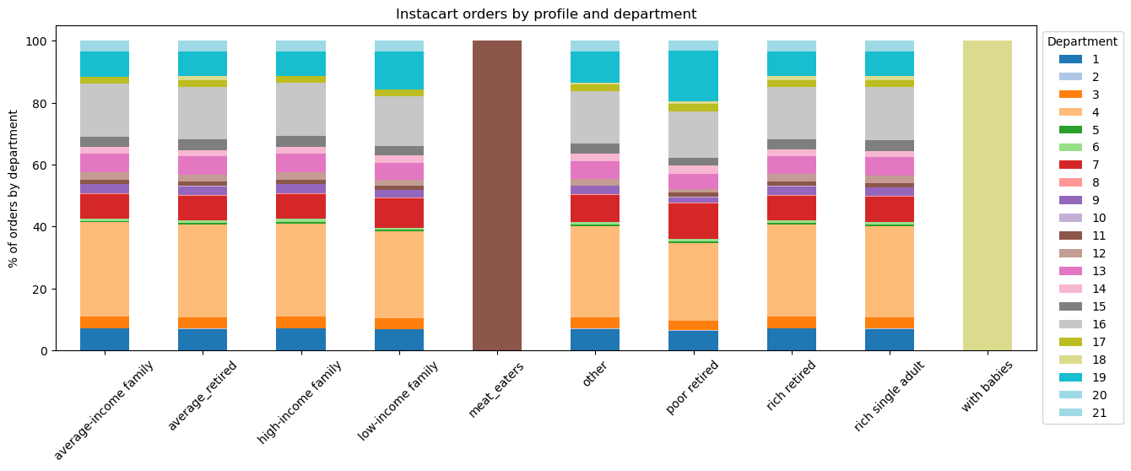

 |  |  | Department_Id | Department
 |  |  | 1 | Frozen
 |  |  | 2 | Other
 |  |  | 3 | Bakery
 |  |  | 4 | Produce
 |  |  | 5 | Alcohol
 |  |  | 6 | International
 |  |  | 7 | Beverages
 |  |  | 8 | pets
 |  |  | 9 | Dry goods, pasta
 |  |  | 10 | Bulk
 |  |  | 11 | Personal care
 |  |  | 12 | Meat - Seafood
 |  |  | 13 | Pantry
 |  |  | 14 | Breakfast
 |  |  | 15 | Canned goods
 |  |  | 16 | Dairy Eggs
 |  |  | 17 | Household
 |  |  | 18 | Babies
 |  |  | 19 | Snacks
 |  |  | 20 | Deli
 |  |  | 21 | Missing

In general the purchasing habits across the different customer profile seem to be very similar. The "meat-eater" and "with babies" categories are different because they were created using their relation to a specific department. The only slight differences between customer profiles visible are that categories with low income ("poor retired" and "low income retired") buy less in the produce department and more in the snacks department than the other customer profiles

7. Recommendations
 |  | Title page

Recommendations

In this tab you should include any recommendations you would made to Instcart in terms of their marketing strategy based on the questions posed in the brief. Every key question has been covered in the Tasks of the Exercises - here you need to add an item - a visualisation or table/crosstable that is showing the answer in the data, acompanied by a comment from you. Please, list the questions below and add the answer underneath.

QUESTION | ANSWER
1 | Most of the sales are on weekends and aproximately from 10 to 16. The marketing team could use this information to schedule ads outisde these periods.
2 | During the night and early in the morning, aproximately from 0 - 7 am more expensive products are sold, whereas in the morning cheaper products are purchased. However, it is important to note that sales are much lower during the night.
3 | Instacart could try to expand and better market their basket of high-price products, as they represent a very small percentage of their sales and are products which normally have a big benefit margin per sale
4 | Produce, dairy-eggs, beverages and snacks accumulate most of the instacart sales, it is recommended to always pay attention to the stock management of these product categories, as they are the most demanded
5 | The management team could try to create a bonus-system to reward loyal customers and try, in that way, to gain new loyal customers, which buy more and more often, from the already existing regular or new customers
6 | There doesn't seem to be differences in purchasing habits based on loyalty status. If this is a desired objective of Instacart, new strategies should be implemented in order to achieve it
7 | There doesn't seem to be differences in purchasing habits based on region, however, it is clear that the biggest customer base of instacart is in the south of country. Furthemore, this area also seems to have a higher number of high-spending customers. Thus, the southern region, where the brand is most consolidated could be used to test new products or marketing strategies, whereas Insacart should focus on growing on the other US areas
8 | Retired people with average or high incomes and families are the biggest customer base of Instacart. The company could use this information to implement marketing strategies directed as these two demographics, as well as open new product lines which could be interesting to them
9 | Purchasing habits across the different customer profiles seem to be very similar. Only slight variations in the some categories, such as produce and snacks have been identified

